Data
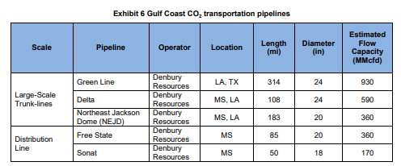
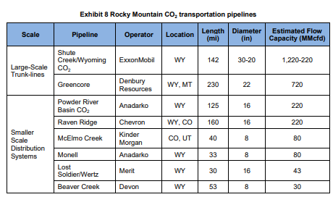
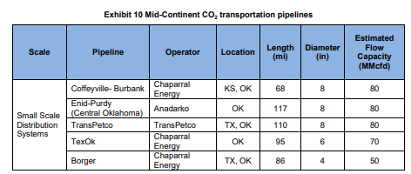
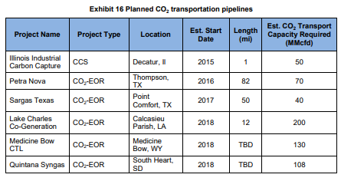
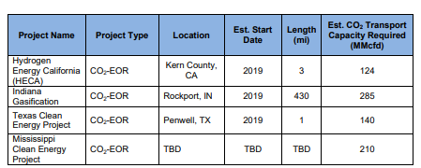
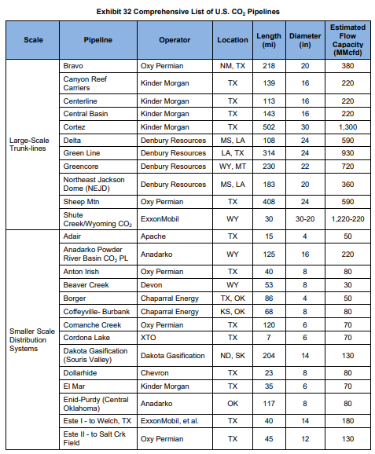
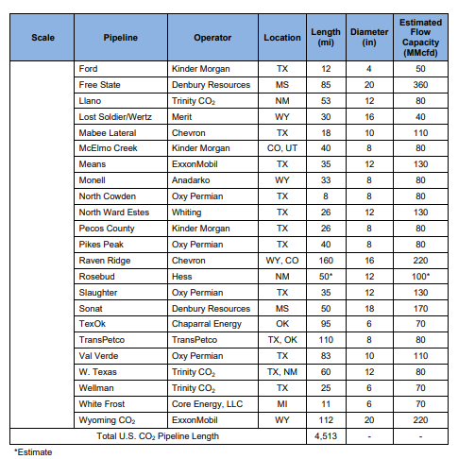
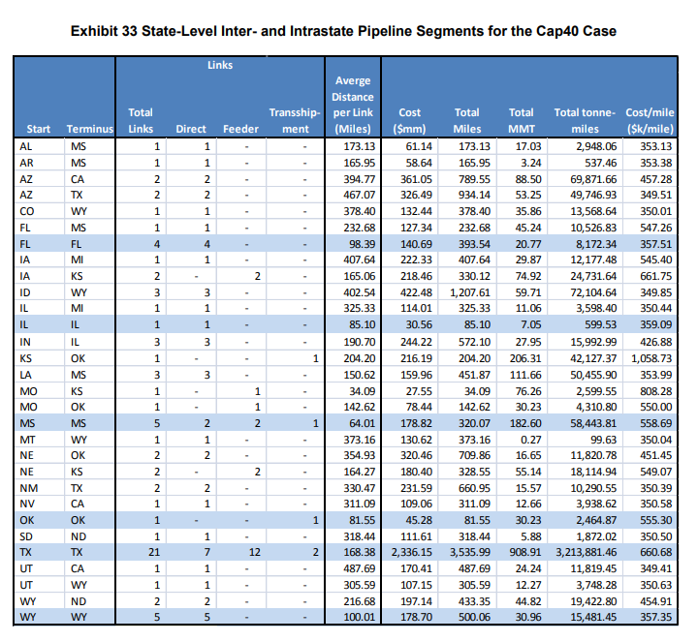
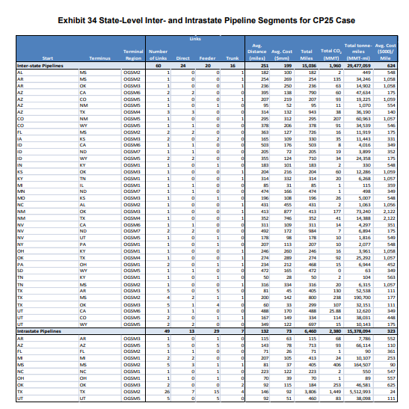
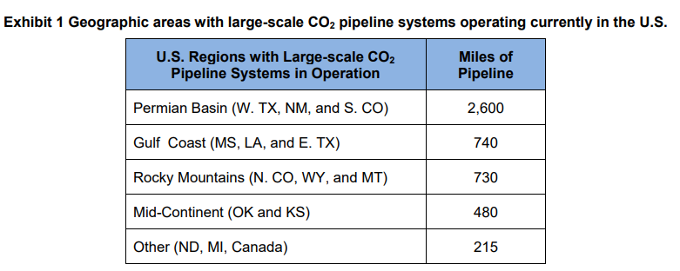
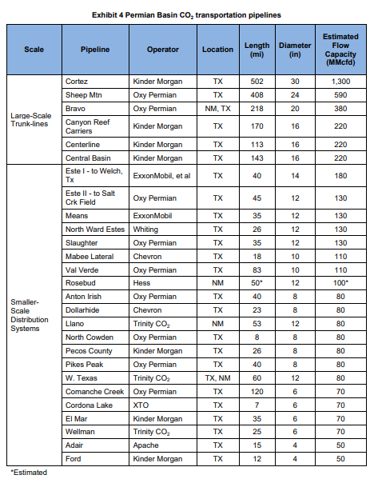
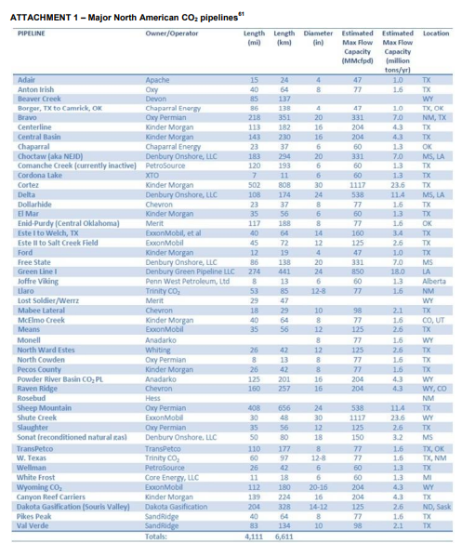
No | Source | https://www.globalccsinstitute.com/archive/hub/publications/44156/carbon-dioxide-distribution-infrastructure.pdf
1 | https://www.energy.gov/policy/articles/review-co2-pipeline-infrastructure-us | https://www.globalccsinstitute.com/archive/hub/publications/120301/co2-pipeline-infrastructure.pdf
 |  | https://www.co2stored.co.uk/search_unit_demo/demos
 |  | https://www.asiaccusnetwork-eria.org/pmaps

Knowledge Base
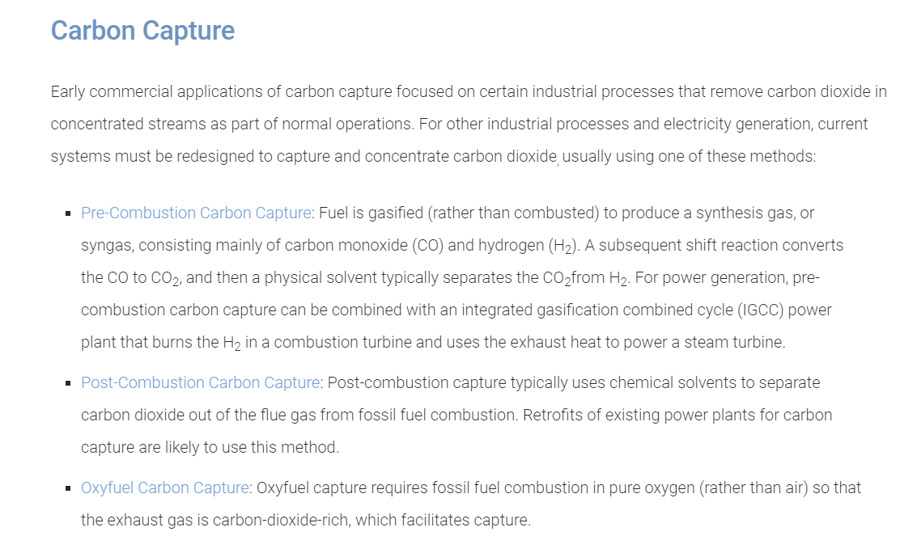
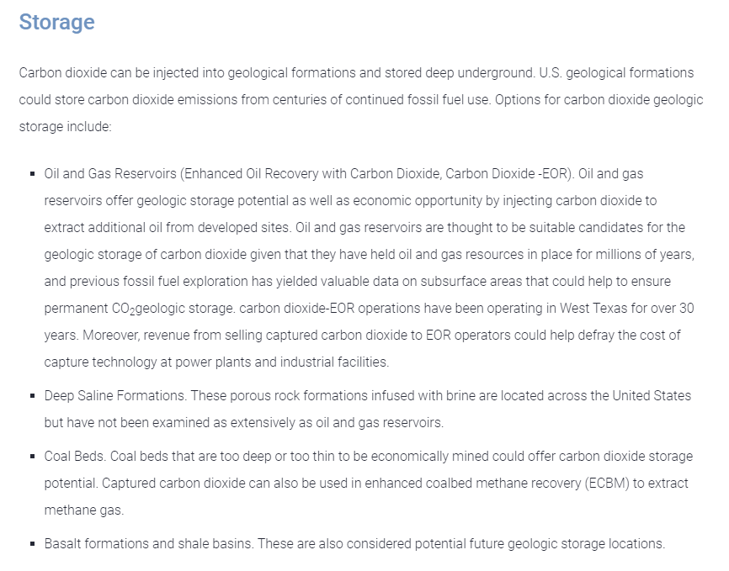
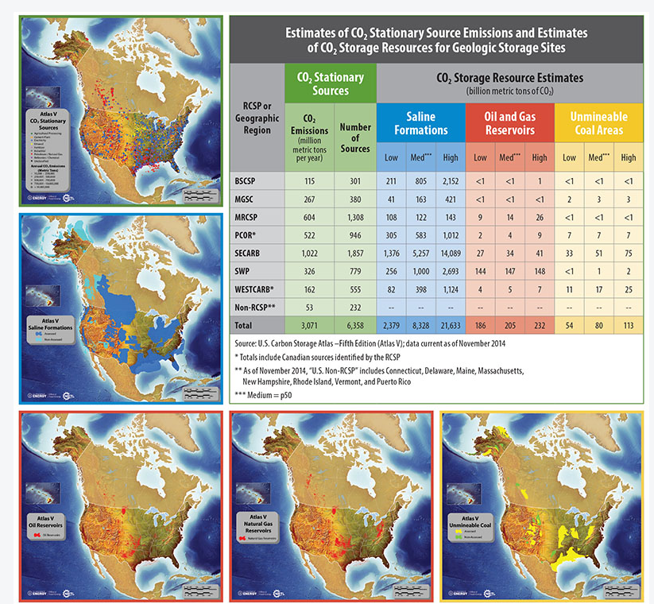
https://www.c2es.org/content/carbon-capture/

